Key Take away
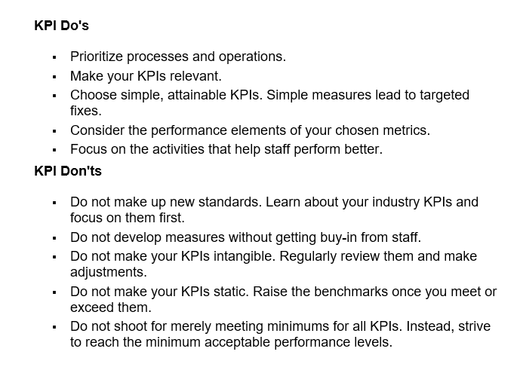

conclusion
CONCLUSION:
1. KPI’s are planned to screen divisions and exercises in organizations.
They offer assistance to assess what activities are successful and
where there’s potential for optimization and sparing cash.
The measurements most valuable as key execution pointers will depend
on the company.
RECOMMENDATION:
1. Choose one or two measures that directly contribute to each of your objectives.
2. Make sure your measures meet the criteria for a good KPI.
3. Assign responsibility for each KPI to specific individuals.

